Sheet1
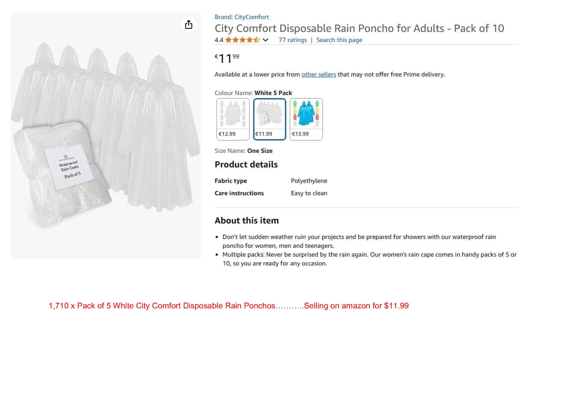
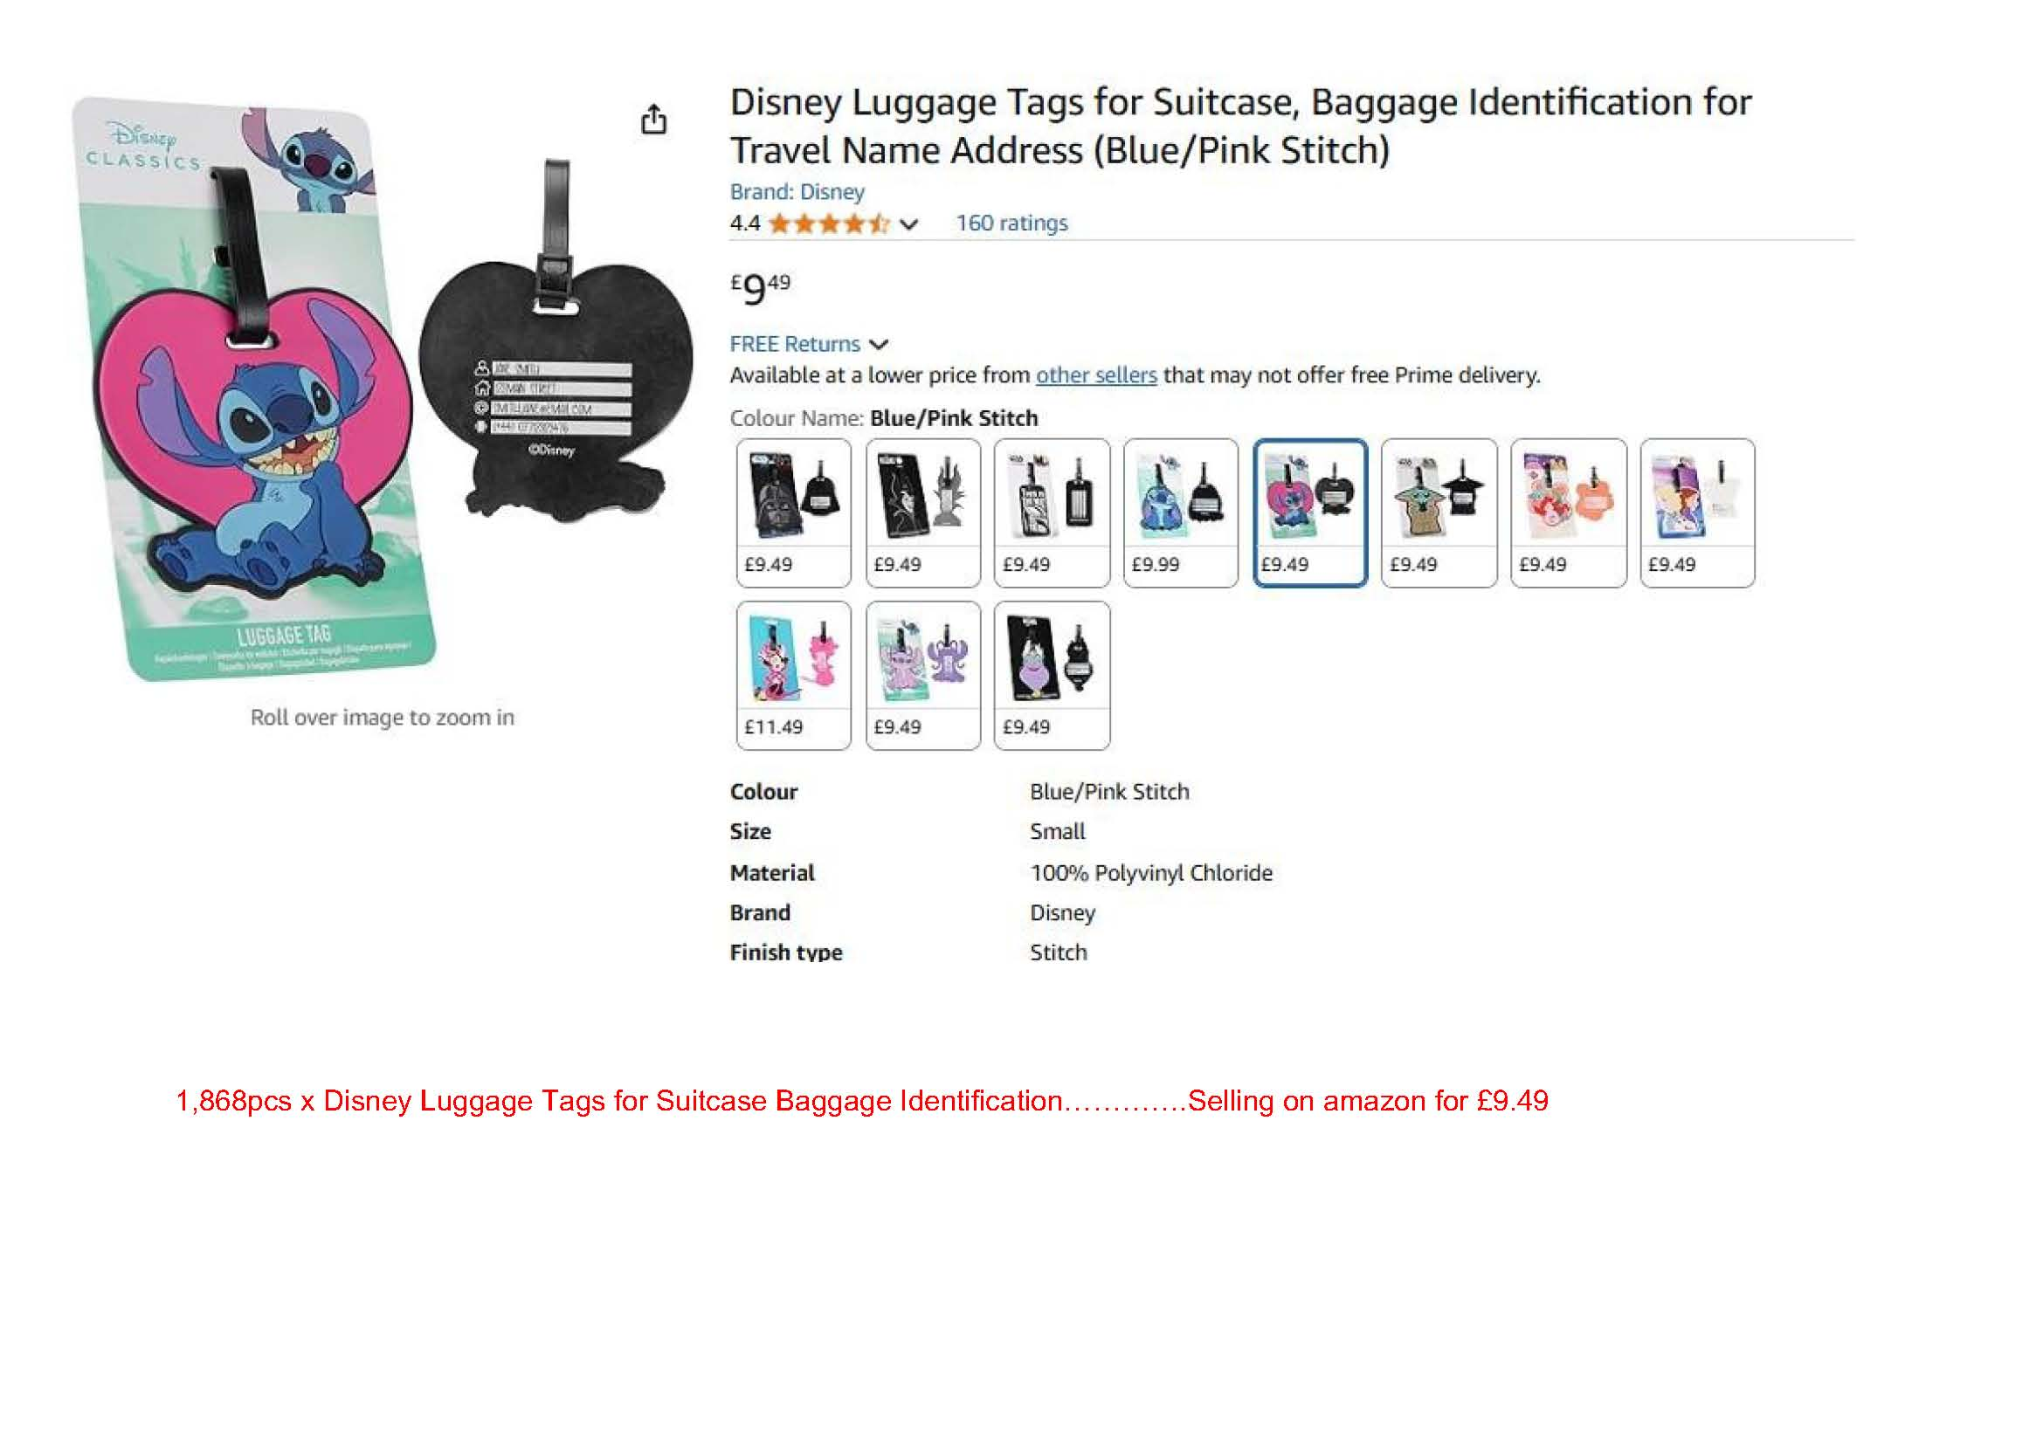
Image | SKU | Description | Qty
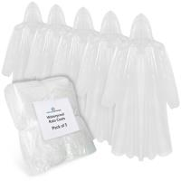 | CHLIN019-WHITE | CityComfort Disposable Rain Coat 5pcs for Adults - white | 1710
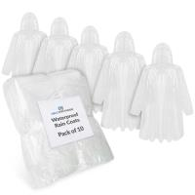 | CHLIN020-WHITE | CityComfort Disposable Rain Coat 10pcs for Kids | 821
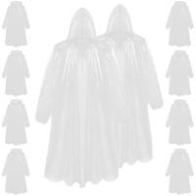 | CHLIN021-WHITE | CityComfort Disposable Rain Coat 5pcs for Kids-WHITE | 626
 | 2100005386 | Disney Stitch Luggage Tag | 1868
 | 2100005399 | Marvel Luggage Tag | 890
 | 2100005387 | Disney Angel Luggage Tag | 570
 | 2100005300 | Disney Stitch Luggage Tag | 428
 | 2100005389 | Disney Frozen Luggage Tag | 274
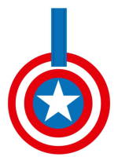 | 2100005397 | Marvel Captain America Luggage Tag | 272
 | 2100005392 | Disney Ursula Luggage Tag | 266
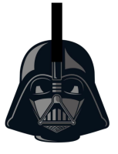 | 2100005395 | Disney Star Wars Darth Vader Luggage Tag | 126
 | 2100005391 | Disney Maleficent Luggage Tag | 110
 | 2100005390 | Disney Little Mermaid Luggage Tag | 81
 | 2100005394 | Disney The Mandalorian Luggage Tag | 55
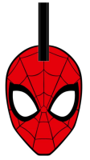 | 2100005396 | Marvel Spiderman Luggage Tag | 55
 | 2100005388 | Disney Minnie Luggage Tag | 33
 | 2100005393 | Disney the Mandalorian Baby Yoda Luggage Tag | 21
 |  |  | 8206

